Introduction
Position | Data Science Trainer | Task: Writing a python script
Required mindsets | Free thinking, data driven decision making, commitment, Pedagogical abilities | You are given two input sheets and two output sheets
 |  | You are required to write a python script that reads the input fields and creates the same output as given.

About Data Science Trainer | Data science is a multi-disciplinary field that involves using various tools, techniques, and methods to extract insights and knowledge from data. Trainers will get an opportunity to learn various pedagogies like Socratic Questionning that ignites dialogues among learners and the trainer; and the Feynman Technique that enables the teacher to try various anologies for a concept | The rules of leaderboards (output sheets) are mentioned in the corresponding subsheets.

 |  | If hired, what would you do?
 |  | All Data Science/Statistics trainers will get the opportunity to work with college students from BPL backgrounds. Here you will work with passsionate individuals who want to impact the society. Through your teaching and training, you'll make the students ready to be placed in various companies. And make their parents proud of their kids, who will bring prosperity to their home.

About DDU-GKY
The Ministry of Rural Development (MoRD) announced the Deen Dayal Upadhyaya Grameen Kaushalya Yojana (DDU-GKY) Antyodaya Diwas, on 25th September 2014. DDU-GKY is a part of the National Rural Livelihood Mission (NRLM), tasked with the dual objectives of adding diversity to the incomes of rural poor families and cater to the career aspirations of rural youth.

 |  | Submission
 |  | Step1: Read all the sub-sheets. Step2: Make a note of all the input fields and output fields. Step3: Write a Python Script that produces the same outputs. Step4: Paste the GitHub link to your code in the google form given.

Website: | http://ddugky.gov.in/

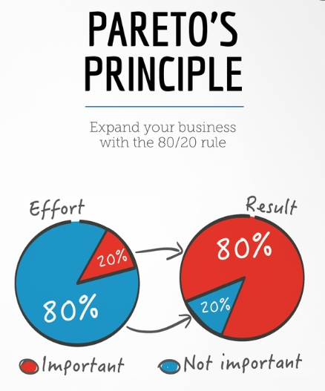
 |  | Submission Link | https://forms.gle/Ed2UFVwj5UwadUst7

 |  | The tasks are quite easy, provided you follow the Pareto's law: spend 80% of the time reading and understanding, 20% time executing the task

